Question
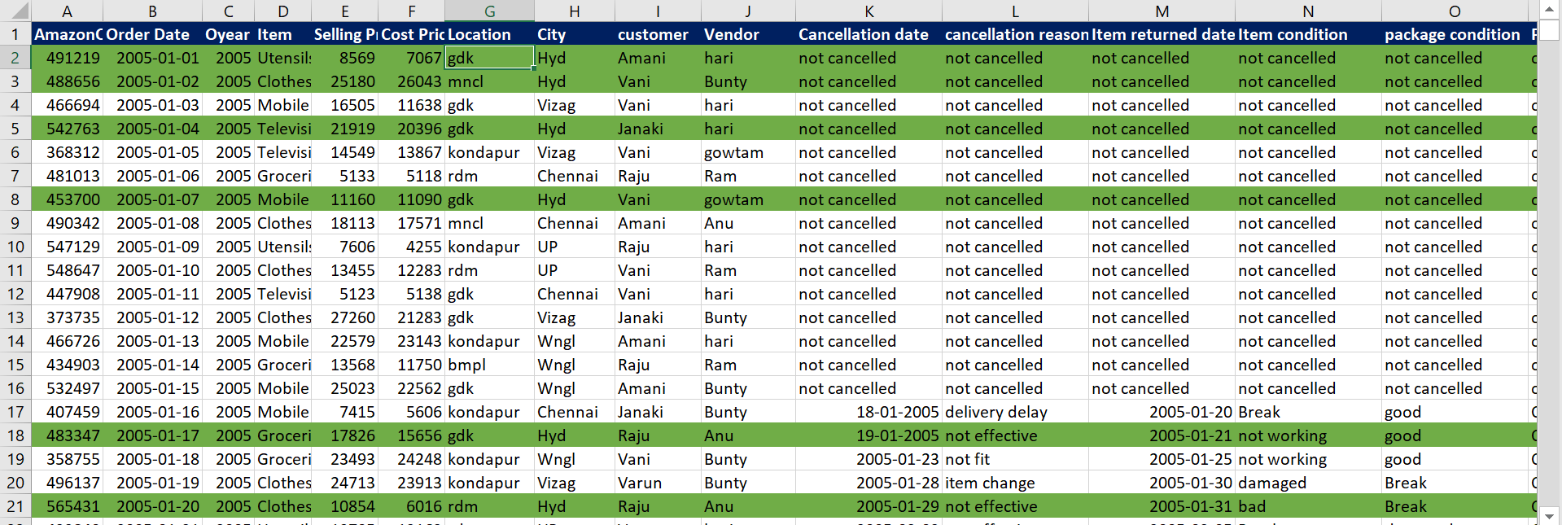
1 | Add another column profit and format it using icons (3set one) such that
 |  | loss gets a red light
 |  | profit till 10% will get amber light
 |  | profit above 10% get a green light
2 | Highlight the enire row where city is "Hyd" - like below (requires a bit of a research on your side. So, good luck)

